Published Components
sno | Component/Widget Name | URL |  | Mendix Version used for development | Mendix version 9.x |  | Mendix version 8.x |  | Mendix version 7.x |  | Not copied any text, names,or other data from other components published in the Marketplace | Widgets |  |  |  | Modules |  | Overview Provided | Description | Features | Usage | Known Issues | Screenshots
 |  |  | Developer |  | Supports | Separate component created | Supports | Separate component created | Supports | Separate component created |  | Pluggable | Code under 200 lines | Create test pages for mobile | Create USE_ME Folder | Create empty folder with version no. | English Language Included
1 | Country State Master Data Module | https://marketplace.mendix.com/link/component/211597 | Bhanu
2 | Deeplink file Dowload | https://marketplace.mendix.com/link/component/212390 | Dhanushant | 9.24.0 | 9.24.0 and above |  |  |  |  |  | yes |  |  |  | yes | yes | yes
3 | Writing Assistant | https://marketplace.mendix.com/link/component/212555 | Sumit
4 | String Optimizer | https://marketplace.mendix.com/link/component/212121 | Radhika Tapadiya | 9.1.0 | 9.1.0 and above | Yes |  |  |  |  |  |  |  |  |  |  |  |  |  |  |  |  | 
5 | DPC(Data Protection Compliance) | https://marketplace.mendix.com/link/component/212019 | Vishal Kadam | 9.1.1 | 9.1.1 and above | Yes |  |  |  |  |  |  |  |  |  |  |  |  |  |  |  |  | 
6 | Expand All/Collapse All Accordion | https://marketplace.mendix.com/link/component/212352 | Saikiran Kasam | 9.0.5 | 9.0.5 or higher | Yes |  |  |  |  |  | Yes | Yes |  |  |  |  | Yes | Yes | Yes | Yes |  | 
7 | Expand All/Collapse All Group Boxes | https://marketplace.mendix.com/link/component/212369 | Kamini Shrivastava | 9.12.4
8 | Expand/Collapse All for Treeview | https://marketplace.mendix.com/link/component/212374 | Maragoni Sai Praneeth | 9.0.5 | 9.0.5 and above | yes |  |  |  |  |  | Yes | Yes |  |  |  |  | Yes | Yes | Yes | Yes |  | Yes
9 | User management/User Excel management | https://marketplace.mendix.com/link/component/212366 | Raghvendra Goud & Shweta Kadam | 9.24.0
10 | Image Conversion based on the selected option | https://marketplace.mendix.com/link/component/212376 | Atharav Waghmare | 9.18.0 | 9.18.0 and higher
11 | Text Input Field (Custom Textfield) | https://marketplace.mendix.com/link/component/212342 | Aravind
12 | User Deactivation | https://marketplace.mendix.com/link/component/212416 | Shweta,Hammad | 9.12.4 | 9.12.4 and above |  |  |  |  |  |  |  |  |  |  |  |  |  |  |  |  |  | 
13 | Social Share Widget | https://marketplace.mendix.com/link/component/212418 | Asha Maity
14 | EnumDropdownWithSearch | https://marketplace.mendix.com/link/component/212446 | Shraddha Gupta | 9.1.0 | 9.1.0 and above
15 | String Utility | https://marketplace.mendix.com/link/component/212471 | Radhika Tapadiya | 9.1.0 | 9.1.0 and above | Yes |  |  |  |  |  |  |  |  |  |  |  |  |  |  |  |  | 
16 | PasswordProtectedPDF | https://marketplace.mendix.com/link/component/212018 | Aakansha Sirohi | 9.18.4
17 | Weekday Counter | https://marketplace.mendix.com/link/component/212615 | Nachiket Lonkar | 9.18.0 | 9.18.1 and above | Yes
18 | File Operations | https://marketplace.mendix.com/link/component/212994 | Sakshi Gaur | 9.1.0
19 | Autoclose PopUp/Toaster | https://marketplace.mendix.com/link/component/213306 | Aravind Sontena | 9.12.0 | 9.12.0 and above | Yes |  |  |  |  | Yes | No | Yes
20 | One to One Chat Module | https://marketplace.mendix.com/link/component/213071 | Aakansha Sirohi | 9.1.1 | 9.1.1 & above | Yes
21 | Starter App | https://marketplace.mendix.com/link/component/212998 | Nidhi Singh, Shweta kadam and Raghavendra Goud | 9.24.0 | 9.24.0 & above | Yes |  |  |  |  |  |  |  |  |  |  |  |  |  |  |  |  | 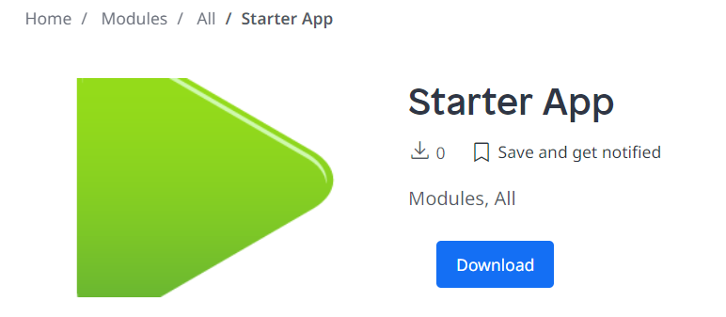
22 | Theme Customizer | https://marketplace.mendix.com/link/component/213232 | Shraddha Gupta | 9.1.0
23 | Dynamic excel Exporter | Mendix Marketplace - Hide Excel Sheet | Raj kumar | 9.12.4 | 9.12.4 and above
24 | Merge sort | https://marketplace.mendix.com/link/component/213343 | Sanjay Adwani
25 | FlexiDateRangePicker | Mendix Marketplace - Flexi Date Range Picker | Raghvendra Goud | 9.12.4 | 9.12.4 & above |  |  |  |  |  |  | Yes |  |  |  |  |  |  |  |  |  |  | 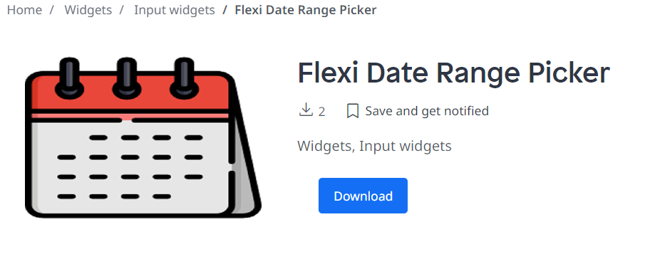
26 | Dynamic Column excel Exporter | Waiting for approval from Mendix | Raj kumar
27 | User engagement | Waiting for approval from Mendix | Vipul Maurya
28 | Form Builder | https://marketplace.mendix.com/link/component/214004 | Maragoni Sai Praneeth | 9.24.2 | 9.24.2 & above
29 | Instant Picture using webcam | Mendix Marketplace - InstantPictureUsingWebcam | Aravind Sontena | 9.12.0 | 9.12.0 & aove | yes |  |  |  |  | yes | No | yes |  | No | Yes
30 | Custom Card Flip | Mendix Marketplace - Custome Card Flip | Raj kumar | 9.12.4 | 9.12.4 & above
31 | Zoom connector | Mendix Marketplace - Zoom Meeting Connector | Raghvendra | 9.12.4 | 9.12.4 & above
32 | Card Flip | Mendix Marketplace - Card Flip Widget | Raj kumar | 9.12.4 | 9.12.4 & above
33 | Webhook teams connector | https://marketplace.mendix.com/link/component/214777 | shivam | 9.24.0 | 9.24.0 & above
34 | Custom Styled Component | https://marketplace.mendix.com/link/component/214874 | Praveen | 9.18.4 | 9.18.4 & above
35 | Flight Live Tracking | Mendix Marketplace - Flight Live Tracking | Dhanushant | 9.12.5 | 9.12.5 & above

